Remove Duplicates
Article/Video: | Remove Duplicates - List Uniques Macro

Run List Uniques Macro

Order ID | Order Date | Customer Name | Salesperson | Product Name | Category | Unit Price | Quantity | Revenue | Shipping Fee
1001 | 2014-01-27 | Company AA | Mariya Sergienko | Coffee | Beverages | $14.00 | 49 | $686.00 | $66.54
1002 | 2014-01-27 | Company AA | Mariya Sergienko | Dried Plums | Dried Fruit & Nuts | $3.50 | 47 | $164.50 | $16.61
1003 | 2014-01-04 | Company D | Andrew Cencini | Dried Pears | Dried Fruit & Nuts | $30.00 | 69 | $2,070.00 | $198.72
1004 | 2014-01-04 | Company D | Andrew Cencini | Dried Apples | Dried Fruit & Nuts | $53.00 | 89 | $4,717.00 | $448.12
1005 | 2014-01-04 | Company D | Andrew Cencini | Dried Plums | Dried Fruit & Nuts | $3.50 | 11 | $38.50 | $3.73
1006 | 2014-01-12 | Company L | Mariya Sergienko | Chai | Beverages | $18.00 | 81 | $1,458.00 | $141.43
1007 | 2014-01-12 | Company L | Mariya Sergienko | Coffee |  | $46.00 | 44 | $2,024.00 | $198.35
1008 | 2014-01-08 | Company H | Nancy Freehafer | Chocolate Biscuits Mix |  | $9.20 | 38 | $349.60 | $36.01
1009 | 2014-01-04 | Company D | Andrew Cencini | Chocolate Biscuits Mix | Baked Goods & Mixes | $9.20 | 88 | $809.60 | $79.34
1010 | 2014-01-29 | Company CC | Jan Kotas | Chocolate | Candy | $12.75 | 94 | $1,198.50 | $122.25
1011 | 2014-01-03 | Company C | Mariya Sergienko | Clam Chowder | Soups | $9.65 | 91 | $878.15 | $92.21
1012 | 2014-01-06 | Company F | Michael Neipper | Curry Sauce | Sauces | $40.00 | 32 | $1,280.00 | $133.12
1013 | 2014-01-28 | Company BB | Anne Larsen | Coffee | Beverages | $46.00 | 55 | $2,530.00 | $253.00
1014 | 2014-01-08 | Company H | Nancy Freehafer | Chocolate | Candy | $12.75 | 47 | $599.25 | $61.72
1015 | 2014-01-10 | Company J | Laura Giussani | Green Tea | Beverages | $2.99 | 90 | $269.10 | $27.72
1016 | 2014-01-07 | Company G | Nancy Freehafer | Coffee | Beverages | $46.00 | 24 | $1,104.00 | $110.40
1017 | 2014-01-10 | Company J | Laura Giussani | Boysenberry Spread | Jams, Preserves | $25.00 | 34 | $850.00 | $80.75
1018 | 2014-01-10 | Company J | Laura Giussani | Cajun Seasoning | Condiments | $22.00 | 17 | $374.00 | $35.90
1019 | 2014-01-10 | Company J | Laura Giussani | Chocolate Biscuits Mix | Baked Goods & Mixes | $9.20 | 44 | $404.80 | $42.10
1020 | 2014-01-11 | Company K | Anne Larsen | Dried Plums | Dried Fruit & Nuts | $3.50 | 81 | $283.50 | $27.50
1021 | 2014-01-11 | Company K | Anne Larsen | Green Tea | Beverages | $2.99 | 49 | $146.51 | $15.09
1022 | 2014-01-01 | Company A | Nancy Freehafer | Chai | Beverages | $18.00 | 42 | $756.00 | $75.60
1023 | 2014-01-01 | Company A | Nancy Freehafer | Coffee | Beverages | $46.00 | 58 | $2,668.00 | $269.47
1024 | 2014-01-01 | Company A | Nancy Freehafer | Green Tea | Beverages | $2.99 | 67 | $200.33 | $20.03
1025 | 2014-01-28 | Company BB | Anne Larsen | Clam Chowder | Soups | $9.65 | 100 | $965.00 | $93.61
1026 | 2014-01-28 | Company BB | Anne Larsen | Crab Meat | Canned Meat | $18.40 | 63 | $1,159.20 | $114.76
1027 | 2014-01-09 | Company I | Robert Zare | Ravioli | Pasta | $19.50 | 57 | $1,111.50 | $110.04
1028 | 2014-01-09 | Company I | Robert Zare | Mozzarella | Dairy Products | $34.80 | 81 | $2,818.80 | $295.97
1029 | 2014-01-06 | Company F | Michael Neipper | Coffee | Beverages | $14.00 | 71 | $994.00 | $95.42
1030 | 2014-02-08 | Company H | Nancy Freehafer | Curry Sauce | Sauces | $40.00 | 32 | $1,280.00 | $129.28
1031 | 2014-02-03 | Company C | Mariya Sergienko | Syrup | Condiments | 10 | 63 | $630.00 | $65.52
1032 | 2014-02-03 | Company C | Mariya Sergienko | Curry Sauce | Sauces | 40 | 30 | $1,200.00 | $120.00
1033 | 2014-02-06 | Company F | Michael Neipper |  |  |  |  | $0.00 | $43.00
1034 | 2014-02-28 | Company BB | Anne Larsen |  |  |  |  | $0.00 | $31.00
1035 | 2014-02-08 | Company H | Nancy Freehafer |  |  |  |  | $0.00 | $46.00
1036 | 2014-02-10 | Company J | Laura Giussani | Almonds | Dried Fruit & Nuts | 10 | 47 | $470.00 | $48.88
1038 | 2014-02-10 | Company J | Laura Giussani | Dried Plums | Dried Fruit & Nuts | 3.5 | 49 | $171.50 | $16.46
1039 | 2014-02-11 | Company K | Anne Larsen | Curry Sauce | Sauces | 40 | 72 | $2,880.00 | $285.12
1040 | 2014-02-01 | Company A | Nancy Freehafer | Crab Meat | Canned Meat | 18.4 | 13 | $239.20 | $23.68
1041 | 2014-02-28 | Company BB | Anne Larsen | Coffee | Beverages | 46 | 32 | $1,472.00 | $148.67
1042 | 2014-02-09 | Company I | Robert Zare | Clam Chowder | Soups | 9.65 | 27 | $260.55 | $24.75
1043 | 2014-02-06 | Company F | Michael Neipper | Chocolate | Candy | 12.75 | 71 | $905.25 | $91.43
1044 | 2014-02-08 | Company H | Nancy Freehafer | Chocolate | Candy | 12.75 | 13 | $165.75 | $15.75
1045 | 2014-02-25 | Company Y | Laura Giussani | Cajun Seasoning | Condiments | 22 | 98 | $2,156.00 | $204.82
1046 | 2014-02-26 | Company Z | Anne Larsen | Boysenberry Spread | Jams, Preserves | 25 | 21 | $525.00 | $53.55
1047 | 2014-03-01 | Company CC | Jan Kotas | Fruit Cocktail | Fruit & Veg | 39 | 26 | $1,014.00 | $106.47
1048 | 2014-02-06 | Company F | Michael Neipper | Dried Pears | Dried Fruit & Nuts | 30 | 96 | $2,880.00 | $296.64
1049 | 2014-02-06 | Company F | Michael Neipper | Dried Apples | Dried Fruit & Nuts | 53 | 16 | $848.00 | $88.19
1050 | 2014-02-04 | Company D | Andrew Cencini | Gnocchi | Pasta | 38 | 96 | $3,648.00 | $346.56
1051 | 2014-02-03 | Company C | Mariya Sergienko | Green Tea | Beverages | 2.99 | 75 | $224.25 | $23.10
1052 | 2014-03-09 | Company I | Robert Zare | Ravioli | Pasta | 19.5 | 55 | $1,072.50 | $108.32
1053 | 2014-03-09 | Company I | Robert Zare | Mozzarella | Dairy Products | $34.80 | 11 | $382.80 | $36.75
1054 | 2014-03-06 | Company F | Michael Neipper | Coffee | Beverages | $14.00 | 53 | $742.00 | $71.97
1055 | 2014-03-08 | Company H | Nancy Freehafer | Curry Sauce | Sauces | $40.00 | 85 | $3,400.00 | $357.00
1056 | 2014-03-08 | Company H | Nancy Freehafer | Chocolate Biscuits Mix | Baked Goods & Mixes | $9.20 | 97 | $892.40 | $91.02
1057 | 2014-03-25 | Company Y | Laura Giussani | Scones | Baked Goods & Mixes | $10.00 | 46 | $460.00 | $46.46
1058 | 2014-03-26 | Company Z | Anne Larsen | Olive Oil | Oil | $21.35 | 97 | $2,070.95 | $196.74
1059 | 2014-03-26 | Company Z | Anne Larsen | Clam Chowder | Soups | $9.65 | 97 | $936.05 | $95.48
1060 | 2014-03-26 | Company Z | Anne Larsen | Crab Meat | Canned Meat | $18.40 | 65 | $1,196.00 | $123.19
1061 | 2014-03-29 | Company CC | Jan Kotas | Coffee | Beverages | $14.00 | 72 | $1,008.00 | $100.80
1062 | 2014-03-06 | Company F | Michael Neipper | Chocolate | Candy | $12.75 | 16 | $204.00 | $20.20
1064 | 2014-03-04 | Company D | Andrew Cencini | Marmalade | Jams, Preserves | $81.00 | 77 | $6,237.00 | $642.41
1065 | 2014-03-04 | Company D | Andrew Cencini | Long Grain Rice | Grains | 7 | 37 | $259.00 | $24.61
1067 | 2014-03-08 | Company H | Nancy Freehafer | Mozzarella | Dairy Products | 34.8 | 63 | $2,192.40 | $217.05
1070 | 2014-03-03 | Company C | Mariya Sergienko | Syrup | Condiments | 10 | 48 | $480.00 | $48.00
1071 | 2014-03-03 | Company C | Mariya Sergienko | Curry Sauce | Sauces | 40 | 71 | $2,840.00 | $295.36
1075 | 2014-03-10 | Company J | Laura Giussani | Almonds | Dried Fruit & Nuts | 10 | 55 | $550.00 | $55.00
1077 | 2014-03-10 | Company J | Laura Giussani | Dried Plums | Dried Fruit & Nuts | 3.5 | 21 | $73.50 | $7.35
1078 | 2014-03-11 | Company K | Anne Larsen | Curry Sauce | Sauces | 40 | 67 | $2,680.00 | $270.68
1079 | 2014-03-01 | Company A | Nancy Freehafer | Crab Meat | Canned Meat | 18.4 | 75 | $1,380.00 | $138.00
1080 | 2014-03-28 | Company BB | Anne Larsen | Coffee | Beverages | 46 | 17 | $782.00 | $80.55
1081 | 2014-04-04 | Company D | Andrew Cencini | Dried Plums | Dried Fruit & Nuts | 3.5 | 48 | $168.00 | $16.30
1082 | 2014-04-12 | Company L | Mariya Sergienko | Chai | Beverages | 18 | 74 | $1,332.00 | $137.20
1083 | 2014-04-12 | Company L | Mariya Sergienko | Coffee | Beverages | 46 | 96 | $4,416.00 | $428.35
1084 | 2014-04-08 | Company H | Nancy Freehafer | Chocolate Biscuits Mix | Baked Goods & Mixes | 9.2 | 12 | $110.40 | $11.37
1085 | 2014-04-04 | Company D | Andrew Cencini | Chocolate Biscuits Mix | Baked Goods & Mixes | 9.2 | 62 | $570.40 | $58.75
1086 | 2014-04-29 | Company CC | Jan Kotas | Chocolate | Candy | 12.75 | 35 | $446.25 | $45.96
1087 | 2014-04-03 | Company C | Mariya Sergienko | Clam Chowder | Soups | 9.65 | 95 | $916.75 | $91.68
1088 | 2014-04-06 | Company F | Michael Neipper | Curry Sauce | Sauces | 40 | 17 | $680.00 | $68.68
1089 | 2014-04-28 | Company BB | Anne Larsen | Coffee | Beverages | 46 | 96 | $4,416.00 | $463.68
1090 | 2014-04-08 | Company H | Nancy Freehafer | Chocolate | Candy | $12.75 | 83 | $1,058.25 | $102.65
1091 | 2014-04-10 | Company J | Laura Giussani | Green Tea | Beverages | $2.99 | 88 | $263.12 | $26.05
1092 | 2014-04-07 | Company G | Nancy Freehafer | Coffee | Beverages | $46.00 | 59 | $2,714.00 | $284.97
1093 | 2014-04-10 | Company J | Laura Giussani | Boysenberry Spread | Jams, Preserves | $25.00 | 27 | $675.00 | $68.85
1094 | 2014-04-10 | Company J | Laura Giussani | Cajun Seasoning | Condiments | $22.00 | 37 | $814.00 | $85.47
1095 | 2014-04-10 | Company J | Laura Giussani | Chocolate Biscuits Mix | Baked Goods & Mixes | $9.20 | 75 | $690.00 | $69.00
1096 | 2014-04-11 | Company K | Anne Larsen | Dried Plums | Dried Fruit & Nuts | $3.50 | 71 | $248.50 | $24.10
1097 | 2014-04-11 | Company K | Anne Larsen | Green Tea | Beverages | $2.99 | 88 | $263.12 | $26.05
1098 | 2014-04-01 | Company A | Nancy Freehafer | Chai | Beverages | $18.00 | 55 | $990.00 | $97.02
1099 | 2014-05-29 | Company CC | Jan Kotas | Chocolate | Candy | $12.75 | 14 | $178.50 | $16.96
1100 | 2014-05-03 | Company C | Mariya Sergienko | Clam Chowder | Soups | $9.65 | 43 | $414.95 | $42.32
1101 | 2014-05-06 | Company F | Michael Neipper | Curry Sauce | Sauces | $40.00 | 63 | $2,520.00 | $254.52
1102 | 2014-05-28 | Company BB | Anne Larsen | Coffee | Beverages | $46.00 | 36 | $1,656.00 | $165.60
1103 | 2014-05-08 | Company H | Nancy Freehafer | Chocolate | Candy | $12.75 | 41 | $522.75 | $54.37
1104 | 2014-05-10 | Company J | Laura Giussani | Green Tea | Beverages | $2.99 | 35 | $104.65 | $10.26
1105 | 2014-05-07 | Company G | Nancy Freehafer | Coffee | Beverages | $46.00 | 31 | $1,426.00 | $136.90
1106 | 2014-05-10 | Company J | Laura Giussani | Boysenberry Spread | Jams, Preserves | $25.00 | 52 | $1,300.00 | $123.50
1107 | 2014-05-10 | Company J | Laura Giussani | Cajun Seasoning | Condiments | $22.00 | 30 | $660.00 | $67.32
1108 | 2014-05-10 | Company J | Laura Giussani | Chocolate Biscuits Mix | Baked Goods & Mixes | $9.20 | 41 | $377.20 | $38.47
1109 | 2014-05-11 | Company K | Anne Larsen | Dried Plums | Dried Fruit & Nuts | $3.50 | 44 | $154.00 | $15.25
1110 | 2014-05-11 | Company K | Anne Larsen | Green Tea | Beverages | $2.99 | 77 | $230.23 | $23.02
1111 | 2014-05-01 | Company A | Nancy Freehafer | Chai | Beverages | $18.00 | 29 | $522.00 | $52.72
1112 | 2014-05-01 | Company A | Nancy Freehafer | Coffee | Beverages | $46.00 | 77 | $3,542.00 | $368.37
1113 | 2014-05-01 | Company A | Nancy Freehafer | Green Tea | Beverages | $2.99 | 73 | $218.27 | $21.83
1114 | 2014-05-28 | Company BB | Anne Larsen | Clam Chowder | Soups | $9.65 | 74 | $714.10 | $67.84
1115 | 2014-05-28 | Company BB | Anne Larsen | Crab Meat | Canned Meat | $18.40 | 25 | $460.00 | $46.46
1116 | 2014-05-09 | Company I | Robert Zare | Ravioli | Pasta | $19.50 | 82 | $1,599.00 | $153.50
1117 | 2014-05-09 | Company I | Robert Zare | Mozzarella | Dairy Products | $34.80 | 37 | $1,287.60 | $132.62
1118 | 2014-05-06 | Company F | Michael Neipper | Coffee | Beverages | $14.00 | 84 | $1,176.00 | $112.90
1119 | 2014-05-08 | Company H | Nancy Freehafer | Curry Sauce | Sauces | $40.00 | 73 | $2,920.00 | $283.24
1120 | 2014-05-08 | Company H | Nancy Freehafer | Chocolate Biscuits Mix | Baked Goods & Mixes | $9.20 | 51 | $469.20 | $44.57
1121 | 2014-05-25 | Company Y | Laura Giussani | Scones | Baked Goods & Mixes | $10.00 | 66 | $660.00 | $68.64
1122 | 2014-05-26 | Company Z | Anne Larsen | Olive Oil | Oil | $21.35 | 36 | $768.60 | $74.55
1123 | 2014-05-26 | Company Z | Anne Larsen | Clam Chowder | Soups | $9.65 | 87 | $839.55 | $87.31
1124 | 2014-05-26 | Company Z | Anne Larsen | Crab Meat | Canned Meat | $18.40 | 64 | $1,177.60 | $115.40
1125 | 2014-05-29 | Company CC | Jan Kotas | Coffee | Beverages | $14.00 | 21 | $294.00 | $30.87
1126 | 2014-05-06 | Company F | Michael Neipper | Chocolate | Candy | $12.75 | 19 | $242.25 | $24.47
1128 | 2014-05-04 | Company D | Andrew Cencini | Marmalade | Jams, Preserves | $81.00 | 23 | $1,863.00 | $195.62
1129 | 2014-05-04 | Company D | Andrew Cencini | Long Grain Rice | Grains | $7.00 | 72 | $504.00 | $51.91
1131 | 2014-05-08 | Company H | Nancy Freehafer | Mozzarella | Dairy Products | $34.80 | 22 | $765.60 | $75.03
1134 | 2014-05-03 | Company C | Mariya Sergienko | Syrup | Condiments | $10.00 | 82 | $820.00 | $85.28
1135 | 2014-05-03 | Company C | Mariya Sergienko | Curry Sauce | Sauces | $40.00 | 98 | $3,920.00 | $411.60
1138 | 2014-06-07 | Company G | Nancy Freehafer | Coffee | Beverages | $46.00 | 71 | $3,266.00 | $310.27
1139 | 2014-06-10 | Company J | Laura Giussani | Boysenberry Spread | Jams, Preserves | $25.00 | 40 | $1,000.00 | $105.00
1140 | 2014-06-10 | Company J | Laura Giussani | Cajun Seasoning | Condiments | $22.00 | 80 | $1,760.00 | $172.48
1141 | 2014-06-10 | Company J | Laura Giussani | Chocolate Biscuits Mix | Baked Goods & Mixes | $9.20 | 38 | $349.60 | $33.21
1142 | 2014-06-11 | Company K | Anne Larsen | Dried Plums | Dried Fruit & Nuts | 3.5 | 28 | $98.00 | $10.29
1143 | 2014-06-11 | Company K | Anne Larsen | Green Tea | Beverages | 2.99 | 60 | $179.40 | $17.58
1144 | 2014-06-01 | Company A | Nancy Freehafer | Chai | Beverages | 18 | 33 | $594.00 | $58.21
1145 | 2014-06-01 | Company A | Nancy Freehafer | Coffee | Beverages | 46 | 22 | $1,012.00 | $101.20
1146 | 2014-06-01 | Company A | Nancy Freehafer | Green Tea | Beverages | 2.99 | 51 | $152.49 | $14.94
1147 | 2014-06-28 | Company BB | Anne Larsen | Clam Chowder | Soups | 9.65 | 60 | $579.00 | $57.32
1148 | 2014-06-28 | Company BB | Anne Larsen | Crab Meat | Canned Meat | 18.4 | 98 | $1,803.20 | $183.93
1149 | 2014-06-09 | Company I | Robert Zare | Ravioli | Pasta | 19.5 | 27 | $526.50 | $51.07
1150 | 2014-06-09 | Company I | Robert Zare | Mozzarella | Dairy Products | 34.8 | 88 | $3,062.40 | $303.18
1151 | 2014-06-06 | Company F | Michael Neipper | Coffee | Beverages | 14 | 65 | $910.00 | $95.55
1152 | 2014-06-08 | Company H | Nancy Freehafer | Curry Sauce | Sauces | 40 | 38 | $1,520.00 | $148.96
1153 | 2014-06-08 | Company H | Nancy Freehafer | Chocolate Biscuits Mix | Baked Goods & Mixes | $9.20 | 80 | $736.00 | $70.66
1154 | 2014-06-25 | Company Y | Laura Giussani | Scones | Baked Goods & Mixes | $10.00 | 49 | $490.00 | $47.04
1155 | 2014-06-26 | Company Z | Anne Larsen | Olive Oil | Oil | $21.35 | 90 | $1,921.50 | $186.39
1156 | 2014-06-26 | Company Z | Anne Larsen | Clam Chowder | Soups | $9.65 | 60 | $579.00 | $59.64
1157 | 2014-06-26 | Company Z | Anne Larsen | Crab Meat | Canned Meat | $18.40 | 39 | $717.60 | $71.76
1158 | 2014-06-29 | Company CC | Jan Kotas | Coffee | Beverages | $14.00 | 79 | $1,106.00 | $113.92
1159 | 2014-06-06 | Company F | Michael Neipper | Chocolate | Candy | $12.75 | 44 | $561.00 | $57.22
1161 | 2014-06-04 | Company D | Andrew Cencini | Marmalade | Jams, Preserves | $81.00 | 98 | $7,938.00 | $769.99
1162 | 2014-06-04 | Company D | Andrew Cencini | Long Grain Rice | Grains | $7.00 | 61 | $427.00 | $42.27
1164 | 2014-06-08 | Company H | Nancy Freehafer | Mozzarella | Dairy Products | $34.80 | 30 | $1,044.00 | $109.62
1167 | 2014-06-03 | Company C | Mariya Sergienko | Syrup | Condiments | $10.00 | 24 | $240.00 | $25.20
1168 | 2014-06-03 | Company C | Mariya Sergienko | Curry Sauce | Sauces | $40.00 | 28 | $1,120.00 | $109.76
1172 | 2014-06-10 | Company J | Laura Giussani | Almonds | Dried Fruit & Nuts | $10.00 | 74 | $740.00 | $71.78
1174 | 2014-06-10 | Company J | Laura Giussani | Dried Plums | Dried Fruit & Nuts | $3.50 | 90 | $315.00 | $30.24
1175 | 2014-06-11 | Company K | Anne Larsen | Curry Sauce | Sauces | $40.00 | 27 | $1,080.00 | $111.24
1176 | 2014-06-01 | Company A | Nancy Freehafer | Crab Meat | Canned Meat | $18.40 | 71 | $1,306.40 | $137.17
1177 | 2014-06-28 | Company BB | Anne Larsen | Coffee | Beverages | $46.00 | 74 | $3,404.00 | $340.40
1178 | 2014-06-09 | Company I | Robert Zare | Clam Chowder | Soups | $9.65 | 76 | $733.40 | $72.61
1179 | 2014-06-06 | Company F | Michael Neipper | Chocolate | Candy | $12.75 | 96 | $1,224.00 | $123.62
1180 | 2014-06-08 | Company H | Nancy Freehafer | Chocolate | Candy | $12.75 | 92 | $1,173.00 | $116.13
1181 | 2014-06-25 | Company Y | Laura Giussani | Cajun Seasoning | Condiments | $22.00 | 93 | $2,046.00 | $200.51
1182 | 2014-06-26 | Company Z | Anne Larsen | Boysenberry Spread | Jams, Preserves | $25.00 | 18 | $450.00 | $42.75
1183 | 2014-06-29 | Company CC | Jan Kotas | Fruit Cocktail | Fruit & Veg | 39 | 98 | $3,822.00 | $397.49
1184 | 2014-06-06 | Company F | Michael Neipper | Dried Pears | Dried Fruit & Nuts | 30 | 46 | $1,380.00 | $135.24
1185 | 2014-06-06 | Company F | Michael Neipper | Dried Apples | Dried Fruit & Nuts | 53 | 14 | $742.00 | $74.20
1186 | 2014-06-04 | Company D | Andrew Cencini | Gnocchi | Pasta | 38 | 85 | $3,230.00 | $319.77
1187 | 2014-06-03 | Company C | Mariya Sergienko | Green Tea | Beverages | 2.99 | 88 | $263.12 | $25.52
1188 | 2014-07-01 | Company A | Nancy Freehafer | Green Tea | Beverages | 2.99 | 81 | $242.19 | $23.98
1189 | 2014-07-28 | Company BB | Anne Larsen | Clam Chowder | Soups | 9.65 | 33 | $318.45 | $30.25
1190 | 2014-07-28 | Company BB | Anne Larsen | Crab Meat | Canned Meat | 18.4 | 47 | $864.80 | $90.80
1191 | 2014-07-09 | Company I | Robert Zare | Ravioli | Pasta | 19.5 | 61 | $1,189.50 | $123.71
1192 | 2014-07-09 | Company I | Robert Zare | Mozzarella | Dairy Products | 34.8 | 27 | $939.60 | $95.84
1193 | 2014-07-06 | Company F | Michael Neipper | Coffee | Beverages | 14 | 84 | $1,176.00 | $118.78
1194 | 2014-07-08 | Company H | Nancy Freehafer | Curry Sauce | Sauces | 40 | 91 | $3,640.00 | $360.36
1195 | 2014-07-08 | Company H | Nancy Freehafer | Chocolate Biscuits Mix | Baked Goods & Mixes | 9.2 | 36 | $331.20 | $34.44
1196 | 2014-07-25 | Company Y | Laura Giussani | Scones | Baked Goods & Mixes | 10 | 34 | $340.00 | $34.34
1197 | 2014-07-26 | Company Z | Anne Larsen | Olive Oil | Oil | 21.35 | 81 | $1,729.35 | $178.12
1198 | 2014-07-26 | Company Z | Anne Larsen | Clam Chowder | Soups | 9.65 | 25 | $241.25 | $23.40
1199 | 2014-07-26 | Company Z | Anne Larsen | Crab Meat | Canned Meat | 18.4 | 12 | $220.80 | $22.08
1200 | 2014-07-29 | Company CC | Jan Kotas | Coffee | Beverages | 14 | 23 | $322.00 | $30.91
1201 | 2014-07-06 | Company F | Michael Neipper | Chocolate | Candy | 12.75 | 76 | $969.00 | $97.87
1203 | 2014-07-04 | Company D | Andrew Cencini | Marmalade | Jams, Preserves | 81 | 55 | $4,455.00 | $445.50
1204 | 2014-07-04 | Company D | Andrew Cencini | Long Grain Rice | Grains | 7 | 19 | $133.00 | $12.90
1206 | 2014-07-08 | Company H | Nancy Freehafer | Mozzarella | Dairy Products | 34.8 | 27 | $939.60 | $89.26
1209 | 2014-07-03 | Company C | Mariya Sergienko | Syrup | Condiments | 10 | 99 | $990.00 | $95.04
1210 | 2014-07-03 | Company C | Mariya Sergienko | Curry Sauce | Sauces | 40 | 10 | $400.00 | $40.00
1214 | 2014-07-10 | Company J | Laura Giussani | Almonds | Dried Fruit & Nuts | 10 | 80 | $800.00 | $77.60
1216 | 2014-07-10 | Company J | Laura Giussani | Dried Plums | Dried Fruit & Nuts | 3.5 | 27 | $94.50 | $9.07
1217 | 2014-07-11 | Company K | Anne Larsen | Curry Sauce | Sauces | 40 | 97 | $3,880.00 | $380.24
1218 | 2014-07-01 | Company A | Nancy Freehafer | Crab Meat | Canned Meat | 18.4 | 42 | $772.80 | $80.37
1219 | 2014-07-28 | Company BB | Anne Larsen | Coffee | Beverages | $46.00 | 24 | $1,104.00 | $105.98
1220 | 2014-07-09 | Company I | Robert Zare | Clam Chowder | Soups | $9.65 | 90 | $868.50 | $83.38
1221 | 2014-07-06 | Company F | Michael Neipper | Chocolate | Candy | $12.75 | 28 | $357.00 | $35.70
1222 | 2014-08-28 | Company BB | Anne Larsen | Coffee | Beverages | $46.00 | 28 | $1,288.00 | $133.95
1223 | 2014-08-08 | Company H | Nancy Freehafer | Chocolate | Candy | $12.75 | 57 | $726.75 | $69.77
1224 | 2014-08-10 | Company J | Laura Giussani | Green Tea | Beverages | $2.99 | 23 | $68.77 | $6.67
1225 | 2014-08-07 | Company G | Nancy Freehafer | Coffee | Beverages | $46.00 | 86 | $3,956.00 | $399.56
1226 | 2014-08-10 | Company J | Laura Giussani | Boysenberry Spread | Jams, Preserves | $25.00 | 47 | $1,175.00 | $116.33
1227 | 2014-08-10 | Company J | Laura Giussani | Cajun Seasoning | Condiments | $22.00 | 97 | $2,134.00 | $221.94
1228 | 2014-08-10 | Company J | Laura Giussani | Chocolate Biscuits Mix | Baked Goods & Mixes | $9.20 | 96 | $883.20 | $86.55
1229 | 2014-08-11 | Company K | Anne Larsen | Dried Plums | Dried Fruit & Nuts | $3.50 | 31 | $108.50 | $10.85
1230 | 2014-08-11 | Company K | Anne Larsen | Green Tea | Beverages | $2.99 | 52 | $155.48 | $16.01
1231 | 2014-08-01 | Company A | Nancy Freehafer | Chai | Beverages | $18.00 | 91 | $1,638.00 | $158.89
1232 | 2014-08-01 | Company A | Nancy Freehafer | Coffee | Beverages | $46.00 | 14 | $644.00 | $63.76
1233 | 2014-08-01 | Company A | Nancy Freehafer | Green Tea | Beverages | 2.99 | 44 | $131.56 | $13.29
1234 | 2014-08-28 | Company BB | Anne Larsen | Clam Chowder | Soups | 9.65 | 97 | $936.05 | $95.48
1235 | 2014-08-28 | Company BB | Anne Larsen | Crab Meat | Canned Meat | 18.4 | 80 | $1,472.00 | $150.14
1236 | 2014-08-09 | Company I | Robert Zare | Ravioli | Pasta | 19.5 | 66 | $1,287.00 | $132.56
1237 | 2014-08-09 | Company I | Robert Zare | Mozzarella | Dairy Products | 34.8 | 32 | $1,113.60 | $111.36
1238 | 2014-08-06 | Company F | Michael Neipper | Coffee | Beverages | 14 | 52 | $728.00 | $72.80
1239 | 2014-08-08 | Company H | Nancy Freehafer | Curry Sauce | Sauces | 40 | 78 | $3,120.00 | $318.24
1240 | 2014-08-08 | Company H | Nancy Freehafer | Chocolate Biscuits Mix | Baked Goods & Mixes | 9.2 | 54 | $496.80 | $49.18
1241 | 2014-08-25 | Company Y | Laura Giussani | Scones | Baked Goods & Mixes | 10 | 55 | $550.00 | $52.25
1242 | 2014-08-26 | Company Z | Anne Larsen | Olive Oil | Oil | 21.35 | 60 | $1,281.00 | $129.38
1243 | 2014-08-26 | Company Z | Anne Larsen | Clam Chowder | Soups | 9.65 | 19 | $183.35 | $17.42
1244 | 2014-08-26 | Company Z | Anne Larsen | Crab Meat | Canned Meat | 18.4 | 66 | $1,214.40 | $125.08
1245 | 2014-08-29 | Company CC | Jan Kotas | Coffee | Beverages | 14 | 42 | $588.00 | $59.39
1246 | 2014-08-06 | Company F | Michael Neipper | Chocolate | Candy | 12.75 | 72 | $918.00 | $89.05
1248 | 2014-08-04 | Company D | Andrew Cencini | Marmalade | Jams, Preserves | 81 | 32 | $2,592.00 | $251.42
1249 | 2014-08-04 | Company D | Andrew Cencini | Long Grain Rice | Grains | 7 | 76 | $532.00 | $53.73
1250 | 2014-09-10 | Company J | Laura Giussani | Chocolate Biscuits Mix | Baked Goods & Mixes | 9.2 | 83 | $763.60 | $74.83
1251 | 2014-09-11 | Company K | Anne Larsen | Dried Plums | Dried Fruit & Nuts | 3.5 | 91 | $318.50 | $31.21
1252 | 2014-09-11 | Company K | Anne Larsen | Green Tea | Beverages | 2.99 | 64 | $191.36 | $19.52
1253 | 2014-09-01 | Company A | Nancy Freehafer | Chai | Beverages | 18 | 58 | $1,044.00 | $103.36
1254 | 2014-09-01 | Company A | Nancy Freehafer | Coffee | Beverages | $46.00 | 97 | $4,462.00 | $464.05
1255 | 2014-09-01 | Company A | Nancy Freehafer | Green Tea | Beverages | $2.99 | 14 | $41.86 | $4.35
1256 | 2014-09-28 | Company BB | Anne Larsen | Clam Chowder | Soups | $9.65 | 68 | $656.20 | $64.31
1257 | 2014-09-28 | Company BB | Anne Larsen | Crab Meat | Canned Meat | $18.40 | 32 | $588.80 | $58.88
1258 | 2014-09-09 | Company I | Robert Zare | Ravioli | Pasta | $19.50 | 48 | $936.00 | $94.54
1259 | 2014-09-09 | Company I | Robert Zare | Mozzarella | Dairy Products | $34.80 | 57 | $1,983.60 | $194.39
1260 | 2014-09-06 | Company F | Michael Neipper | Coffee | Beverages | $14.00 | 67 | $938.00 | $98.49
1261 | 2014-09-08 | Company H | Nancy Freehafer | Curry Sauce | Sauces | $40.00 | 48 | $1,920.00 | $188.16
1262 | 2014-09-08 | Company H | Nancy Freehafer | Chocolate Biscuits Mix | Baked Goods & Mixes | $9.20 | 77 | $708.40 | $72.26
1263 | 2014-09-25 | Company Y | Laura Giussani | Scones | Baked Goods & Mixes | $10.00 | 94 | $940.00 | $97.76
1264 | 2014-09-26 | Company Z | Anne Larsen | Olive Oil | Oil | $21.35 | 54 | $1,152.90 | $121.05
1265 | 2014-09-26 | Company Z | Anne Larsen | Clam Chowder | Soups | $9.65 | 43 | $414.95 | $40.25
1266 | 2014-09-26 | Company Z | Anne Larsen | Crab Meat | Canned Meat | $18.40 | 71 | $1,306.40 | $134.56
1267 | 2014-09-29 | Company CC | Jan Kotas | Coffee | Beverages | $14.00 | 50 | $700.00 | $67.20
1268 | 2014-09-06 | Company F | Michael Neipper | Chocolate | Candy | $12.75 | 96 | $1,224.00 | $119.95
1270 | 2014-09-04 | Company D | Andrew Cencini | Marmalade | Jams, Preserves | $81.00 | 54 | $4,374.00 | $437.40
1271 | 2014-09-04 | Company D | Andrew Cencini | Long Grain Rice | Grains | $7.00 | 39 | $273.00 | $27.30
1273 | 2014-09-08 | Company H | Nancy Freehafer | Mozzarella | Dairy Products | $34.80 | 63 | $2,192.40 | $230.20
1276 | 2014-09-03 | Company C | Mariya Sergienko | Syrup | Condiments | $10.00 | 71 | $710.00 | $73.13
1277 | 2014-09-03 | Company C | Mariya Sergienko | Curry Sauce | Sauces | $40.00 | 88 | $3,520.00 | $366.08
1281 | 2014-09-10 | Company J | Laura Giussani | Almonds | Dried Fruit & Nuts | $10.00 | 59 | $590.00 | $59.59
1282 | 2014-10-06 | Company F | Michael Neipper | Curry Sauce | Sauces | $40.00 | 94 | $3,760.00 | $376.00
1283 | 2014-10-28 | Company BB | Anne Larsen | Coffee | Beverages | $46.00 | 86 | $3,956.00 | $379.78
1284 | 2014-10-08 | Company H | Nancy Freehafer | Chocolate | Candy | $12.75 | 61 | $777.75 | $78.55
1285 | 2014-10-10 | Company J | Laura Giussani | Green Tea | Beverages | $2.99 | 32 | $95.68 | $9.76
1286 | 2014-10-07 | Company G | Nancy Freehafer | Coffee | Beverages | 46 | 62 | $2,852.00 | $290.90
1287 | 2014-10-10 | Company J | Laura Giussani | Boysenberry Spread | Jams, Preserves | 25 | 60 | $1,500.00 | $154.50
1288 | 2014-10-10 | Company J | Laura Giussani | Cajun Seasoning | Condiments | 22 | 51 | $1,122.00 | $109.96
1289 | 2014-10-10 | Company J | Laura Giussani | Chocolate Biscuits Mix | Baked Goods & Mixes | $9.20 | 49 | $450.80 | $44.63
1290 | 2014-10-11 | Company K | Anne Larsen | Dried Plums | Dried Fruit & Nuts | $3.50 | 20 | $70.00 | $6.93
1291 | 2014-10-11 | Company K | Anne Larsen | Green Tea | Beverages | $2.99 | 49 | $146.51 | $14.65
1292 | 2014-10-01 | Company A | Nancy Freehafer | Chai | Beverages | $18.00 | 22 | $396.00 | $38.02
1293 | 2014-10-01 | Company A | Nancy Freehafer | Coffee | Beverages | $46.00 | 73 | $3,358.00 | $339.16
1294 | 2014-10-01 | Company A | Nancy Freehafer | Green Tea | Beverages | $2.99 | 85 | $254.15 | $24.65
1295 | 2014-10-28 | Company BB | Anne Larsen | Clam Chowder | Soups | $9.65 | 44 | $424.60 | $44.16
1296 | 2014-10-28 | Company BB | Anne Larsen | Crab Meat | Canned Meat | $18.40 | 24 | $441.60 | $42.84
1297 | 2014-10-09 | Company I | Robert Zare | Ravioli | Pasta | $19.50 | 64 | $1,248.00 | $119.81
1298 | 2014-10-09 | Company I | Robert Zare | Mozzarella | Dairy Products | $34.80 | 70 | $2,436.00 | $246.04
1299 | 2014-10-06 | Company F | Michael Neipper | Coffee | Beverages | $14.00 | 98 | $1,372.00 | $138.57
1300 | 2014-10-08 | Company H | Nancy Freehafer | Curry Sauce | Sauces | $40.00 | 48 | $1,920.00 | $188.16
1301 | 2014-10-08 | Company H | Nancy Freehafer | Chocolate Biscuits Mix | Baked Goods & Mixes | $9.20 | 100 | $920.00 | $91.08
1302 | 2014-10-25 | Company Y | Laura Giussani | Scones | Baked Goods & Mixes | $10.00 | 90 | $900.00 | $87.30
1303 | 2014-10-26 | Company Z | Anne Larsen | Olive Oil | Oil | $21.35 | 49 | $1,046.15 | $102.52
1304 | 2014-10-26 | Company Z | Anne Larsen | Clam Chowder | Soups | $9.65 | 71 | $685.15 | $65.77
1305 | 2014-10-26 | Company Z | Anne Larsen | Crab Meat | Canned Meat | $18.40 | 10 | $184.00 | $19.14
1306 | 2014-10-29 | Company CC | Jan Kotas | Coffee | Beverages | $14.00 | 78 | $1,092.00 | $112.48
1307 | 2014-10-06 | Company F | Michael Neipper | Chocolate | Candy | $12.75 | 44 | $561.00 | $53.86
1309 | 2014-10-04 | Company D | Andrew Cencini | Marmalade | Jams, Preserves | 81 | 82 | $6,642.00 | $697.41
1310 | 2014-10-04 | Company D | Andrew Cencini | Long Grain Rice | Grains | 7 | 29 | $203.00 | $20.30
1312 | 2014-10-08 | Company H | Nancy Freehafer | Mozzarella | Dairy Products | 34.8 | 93 | $3,236.40 | $313.93
1315 | 2014-10-03 | Company C | Mariya Sergienko | Syrup | Condiments | 10 | 11 | $110.00 | $11.44
1316 | 2014-10-03 | Company C | Mariya Sergienko | Curry Sauce | Sauces | 40 | 91 | $3,640.00 | $364.00
1320 | 2014-10-10 | Company J | Laura Giussani | Almonds | Dried Fruit & Nuts | 10 | 12 | $120.00 | $12.36
1322 | 2014-10-10 | Company J | Laura Giussani | Dried Plums | Dried Fruit & Nuts | 3.5 | 78 | $273.00 | $27.30
1323 | 2014-10-11 | Company K | Anne Larsen | Curry Sauce | Sauces | 40 | 60 | $2,400.00 | $228.00
1324 | 2014-10-01 | Company A | Nancy Freehafer | Crab Meat | Canned Meat | 18.4 | 23 | $423.20 | $43.59
1325 | 2014-10-28 | Company BB | Anne Larsen | Coffee | Beverages | 46 | 34 | $1,564.00 | $157.96
1326 | 2014-10-09 | Company I | Robert Zare | Clam Chowder | Soups | 9.65 | 89 | $858.85 | $86.74
1327 | 2014-10-06 | Company F | Michael Neipper | Chocolate | Candy | 12.75 | 82 | $1,045.50 | $103.50
1328 | 2014-10-08 | Company H | Nancy Freehafer | Chocolate | Candy | 12.75 | 43 | $548.25 | $52.63
1329 | 2014-11-10 | Company J | Laura Giussani | Cajun Seasoning | Condiments | $22.00 | 96 | $2,112.00 | $221.76
1330 | 2014-11-10 | Company J | Laura Giussani | Chocolate Biscuits Mix | Baked Goods & Mixes | $9.20 | 34 | $312.80 | $31.28
1331 | 2014-11-11 | Company K | Anne Larsen | Dried Plums | Dried Fruit & Nuts | $3.50 | 42 | $147.00 | $15.14
1332 | 2014-11-11 | Company K | Anne Larsen | Green Tea | Beverages | $2.99 | 100 | $299.00 | $30.50
1333 | 2014-11-01 | Company A | Nancy Freehafer | Chai | Beverages | $18.00 | 42 | $756.00 | $76.36
1334 | 2014-11-01 | Company A | Nancy Freehafer | Coffee | Beverages | $46.00 | 16 | $736.00 | $70.66
1335 | 2014-11-01 | Company A | Nancy Freehafer | Green Tea | Beverages | $2.99 | 22 | $65.78 | $6.38
1336 | 2014-11-28 | Company BB | Anne Larsen | Clam Chowder | Soups | $9.65 | 46 | $443.90 | $45.72
1337 | 2014-11-28 | Company BB | Anne Larsen | Crab Meat | Canned Meat | $18.40 | 100 | $1,840.00 | $184.00
1338 | 2014-11-09 | Company I | Robert Zare | Ravioli | Pasta | $19.50 | 87 | $1,696.50 | $174.74
1339 | 2014-11-09 | Company I | Robert Zare | Mozzarella | Dairy Products | $34.80 | 58 | $2,018.40 | $205.88
1340 | 2014-11-06 | Company F | Michael Neipper | Coffee | Beverages | $14.00 | 85 | $1,190.00 | $120.19
1341 | 2014-11-08 | Company H | Nancy Freehafer | Curry Sauce | Sauces | $40.00 | 28 | $1,120.00 | $110.88
1342 | 2014-11-08 | Company H | Nancy Freehafer | Chocolate Biscuits Mix | Baked Goods & Mixes | $9.20 | 19 | $174.80 | $17.13
1343 | 2014-11-25 | Company Y | Laura Giussani | Scones | Baked Goods & Mixes | $10.00 | 99 | $990.00 | $102.96
1344 | 2014-11-26 | Company Z | Anne Larsen | Olive Oil | Oil | $21.35 | 69 | $1,473.15 | $153.21
1345 | 2014-11-26 | Company Z | Anne Larsen | Clam Chowder | Soups | $9.65 | 37 | $357.05 | $33.92
1346 | 2014-11-26 | Company Z | Anne Larsen | Crab Meat | Canned Meat | $18.40 | 64 | $1,177.60 | $118.94
1347 | 2014-11-29 | Company CC | Jan Kotas | Coffee | Beverages | $14.00 | 38 | $532.00 | $55.33
1348 | 2014-11-06 | Company F | Michael Neipper | Chocolate | Candy | $12.75 | 15 | $191.25 | $18.55
1350 | 2014-11-04 | Company D | Andrew Cencini | Marmalade | Jams, Preserves | $81.00 | 52 | $4,212.00 | $412.78
1351 | 2014-11-04 | Company D | Andrew Cencini | Long Grain Rice | Grains | $7.00 | 37 | $259.00 | $25.38
1353 | 2014-11-08 | Company H | Nancy Freehafer | Mozzarella | Dairy Products | $34.80 | 24 | $835.20 | $80.18
1356 | 2014-11-03 | Company C | Mariya Sergienko | Syrup | Condiments | $10.00 | 36 | $360.00 | $37.08
1357 | 2014-11-03 | Company C | Mariya Sergienko | Curry Sauce | Sauces | $40.00 | 24 | $960.00 | $96.00
1361 | 2014-11-10 | Company J | Laura Giussani | Almonds | Dried Fruit & Nuts | $10.00 | 20 | $200.00 | $20.00
1363 | 2014-11-10 | Company J | Laura Giussani | Dried Plums | Dried Fruit & Nuts | 3.5 | 11 | $38.50 | $3.73
1364 | 2014-11-11 | Company K | Anne Larsen | Curry Sauce | Sauces | 40 | 78 | $3,120.00 | $299.52
1365 | 2014-11-01 | Company A | Nancy Freehafer | Crab Meat | Canned Meat | 18.4 | 76 | $1,398.40 | $144.04
1366 | 2014-11-28 | Company BB | Anne Larsen | Coffee | Beverages | 46 | 57 | $2,622.00 | $272.69
1367 | 2014-11-09 | Company I | Robert Zare | Clam Chowder | Soups | 9.65 | 14 | $135.10 | $12.97
1368 | 2014-12-27 | Company AA | Mariya Sergienko | Coffee | Beverages | 14 | 14 | $196.00 | $19.80
1369 | 2014-12-27 | Company AA | Mariya Sergienko | Dried Plums | Dried Fruit & Nuts | 3.5 | 70 | $245.00 | $25.24
1370 | 2014-12-04 | Company D | Andrew Cencini | Dried Pears | Dried Fruit & Nuts | 30 | 100 | $3,000.00 | $291.00
1371 | 2014-12-04 | Company D | Andrew Cencini | Dried Apples | Dried Fruit & Nuts | 53 | 27 | $1,431.00 | $143.10
1372 | 2014-12-04 | Company D | Andrew Cencini | Dried Plums | Dried Fruit & Nuts | 3.5 | 70 | $245.00 | $24.01
1373 | 2014-12-12 | Company L | Mariya Sergienko | Chai | Beverages | 18 | 57 | $1,026.00 | $102.60
1374 | 2014-12-12 | Company L | Mariya Sergienko | Coffee | Beverages | 46 | 83 | $3,818.00 | $374.16
1375 | 2014-12-08 | Company H | Nancy Freehafer | Chocolate Biscuits Mix | Baked Goods & Mixes | 9.2 | 76 | $699.20 | $67.12
1376 | 2014-12-04 | Company D | Andrew Cencini | Chocolate Biscuits Mix | Baked Goods & Mixes | 9.2 | 80 | $736.00 | $72.86
1377 | 2014-12-29 | Company CC | Jan Kotas | Chocolate | Candy | 12.75 | 47 | $599.25 | $59.33
1378 | 2014-12-03 | Company C | Mariya Sergienko | Clam Chowder | Soups | 9.65 | 96 | $926.40 | $94.49
1379 | 2014-12-06 | Company F | Michael Neipper | Curry Sauce | Sauces | 40 | 32 | $1,280.00 | $134.40
1380 | 2014-12-28 | Company BB | Anne Larsen | Coffee | Beverages | 46 | 16 | $736.00 | $73.60
1381 | 2014-12-08 | Company H | Nancy Freehafer | Chocolate | Candy | 12.75 | 41 | $522.75 | $51.23
1382 | 2014-12-10 | Company J | Laura Giussani | Green Tea | Beverages | 2.99 | 41 | $122.59 | $12.87
1383 | 2014-12-07 | Company G | Nancy Freehafer | Coffee | Beverages | 46 | 41 | $1,886.00 | $194.26
1384 | 2014-12-10 | Company J | Laura Giussani | Boysenberry Spread | Jams, Preserves | $25.00 | 94 | $2,350.00 | $235.00
1385 | 2014-12-10 | Company J | Laura Giussani | Cajun Seasoning | Condiments | $22.00 | 20 | $440.00 | $46.20
1386 | 2014-12-10 | Company J | Laura Giussani | Chocolate Biscuits Mix | Baked Goods & Mixes | $9.20 | 13 | $119.60 | $12.44
1387 | 2014-12-11 | Company K | Anne Larsen | Dried Plums | Dried Fruit & Nuts | $3.50 | 74 | $259.00 | $26.94
1388 | 2014-12-11 | Company K | Anne Larsen | Green Tea | Beverages | $2.99 | 53 | $158.47 | $16.01
1389 | 2014-12-01 | Company A | Nancy Freehafer | Chai | Beverages | $18.00 | 99 | $1,782.00 | $174.64
1390 | 2014-12-01 | Company A | Nancy Freehafer | Coffee | Beverages | $46.00 | 89 | $4,094.00 | $388.93
1391 | 2014-12-01 | Company A | Nancy Freehafer | Green Tea | Beverages | $2.99 | 64 | $191.36 | $19.52
1392 | 2014-12-28 | Company BB | Anne Larsen | Clam Chowder | Soups | $9.65 | 98 | $945.70 | $96.46
1393 | 2014-12-28 | Company BB | Anne Larsen | Crab Meat | Canned Meat | $18.40 | 86 | $1,582.40 | $155.08
1394 | 2014-12-09 | Company I | Robert Zare | Ravioli | Pasta | $19.50 | 20 | $390.00 | $40.95
1395 | 2014-12-09 | Company I | Robert Zare | Mozzarella | Dairy Products | $34.80 | 69 | $2,401.20 | $240.12
1396 | 2014-12-06 | Company F | Michael Neipper | Coffee | Beverages | $14.00 | 68 | $952.00 | $91.39
1397 | 2014-12-08 | Company H | Nancy Freehafer | Curry Sauce | Sauces | $40.00 | 52 | $2,080.00 | $203.84
1398 | 2014-12-08 | Company H | Nancy Freehafer | Chocolate Biscuits Mix | Baked Goods & Mixes | $9.20 | 40 | $368.00 | $38.64
1399 | 2014-12-25 | Company Y | Laura Giussani | Scones | Baked Goods & Mixes | $10.00 | 100 | $1,000.00 | $98.00
1400 | 2014-12-26 | Company Z | Anne Larsen | Olive Oil | Oil | $21.35 | 88 | $1,878.80 | $184.12
1401 | 2014-12-26 | Company Z | Anne Larsen | Clam Chowder | Soups | $9.65 | 46 | $443.90 | $42.61
1402 | 2014-12-26 | Company Z | Anne Larsen | Crab Meat | Canned Meat | $18.40 | 93 | $1,711.20 | $167.70
1403 | 2014-12-29 | Company CC | Jan Kotas | Coffee | Beverages | $14.00 | 96 | $1,344.00 | $141.12
1404 | 2014-12-06 | Company F | Michael Neipper | Chocolate | Candy | 12.75 | 12 | $153.00 | $16.07
1406 | 2014-12-04 | Company D | Andrew Cencini | Marmalade | Jams, Preserves | 81 | 38 | $3,078.00 | $292.41
1407 | 2014-12-04 | Company D | Andrew Cencini | Long Grain Rice | Grains | 7 | 42 | $294.00 | $29.11
1409 | 2014-12-08 | Company H | Nancy Freehafer | Mozzarella | Dairy Products | 34.8 | 100 | $3,480.00 | $344.52
1412 | 2014-12-03 | Company C | Mariya Sergienko | Syrup | Condiments | 10 | 89 | $890.00 | $87.22
1413 | 2014-12-03 | Company C | Mariya Sergienko | Curry Sauce | Sauces | 40 | 12 | $480.00 | $46.56
1417 | 2014-12-10 | Company J | Laura Giussani | Almonds | Dried Fruit & Nuts | 10 | 97 | $970.00 | $100.88
1419 | 2014-12-10 | Company J | Laura Giussani | Dried Plums | Dried Fruit & Nuts | 3.5 | 53 | $185.50 | $17.62
1420 | 2014-12-11 | Company K | Anne Larsen | Curry Sauce | Sauces | 40 | 61 | $2,440.00 | $248.88
1421 | 2014-12-01 | Company A | Nancy Freehafer | Crab Meat | Canned Meat | 18.4 | 45 | $828.00 | $81.14
1422 | 2014-12-28 | Company BB | Anne Larsen | Coffee | Beverages | 46 | 43 | $1,978.00 | $197.80
1423 | 2014-12-09 | Company I | Robert Zare | Clam Chowder | Soups | 9.65 | 18 | $173.70 | $16.50
1424 | 2014-12-06 | Company F | Michael Neipper | Chocolate | Candy | 12.75 | 41 | $522.75 | $50.71
1425 | 2014-12-08 | Company H | Nancy Freehafer | Chocolate | Candy | 12.75 | 19 | $242.25 | $23.98
1426 | 2014-12-25 | Company Y | Laura Giussani | Cajun Seasoning | Condiments | 22 | 65 | $1,430.00 | $138.71
1427 | 2014-12-26 | Company Z | Anne Larsen | Boysenberry Spread | Jams, Preserves | 25 | 13 | $325.00 | $32.18
1428 | 2014-12-29 | Company CC | Jan Kotas | Fruit Cocktail | Fruit & Veg | 39 | 54 | $2,106.00 | $214.81
1429 | 2014-12-06 | Company F | Michael Neipper | Dried Pears | Dried Fruit & Nuts | 30 | 33 | $990.00 | $95.04
1430 | 2014-12-06 | Company F | Michael Neipper | Dried Apples | Dried Fruit & Nuts | 53 | 34 | $1,802.00 | $185.61
1431 | 2014-12-04 | Company D | Andrew Cencini | Gnocchi | Pasta | $38.00 | 59 | $2,242.00 | $226.44
1432 | 2014-12-03 | Company C | Mariya Sergienko | Green Tea | Beverages | $2.99 | 24 | $71.76 | $7.10

Pct Change Formula
Article/Video: | Percentage Change Formula Macro

Create Pct Change Formula
Product | June | July | Percent Change
Coffee | 346 | 579 | 67.4%
Tea | 652 | 194 | -70.3%
Cookies | 951 | 293 | -69.2%
Bagels | 707 | 708 | 0.0%
Apples | 858 | 892 | 3.9%
Cakes | 869 | 699 | -19.5%

Find Last Cell
Article/Video: | Find Last Used Cell Macros

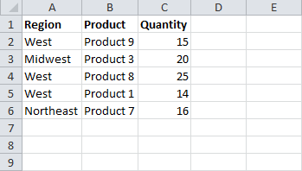
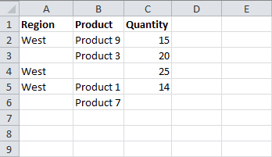
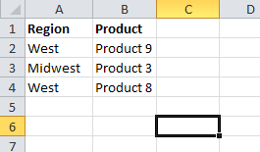
Range.End
- No Blank Cells
- Single Row or Column
3 VBA Methods to Find the Last Cell, Row, or Column
Range.Find
- Blanks OK
- Searches Entire Range/Sheet
Range.SpecialCells
- Find Last Used Cell
- Helps Remove Unused Cells
Ctrl+End

Press Alt+F11 on the keyboard to open the VB Editor and view the code.

Format Copier
Article/Video: | The Format Copier

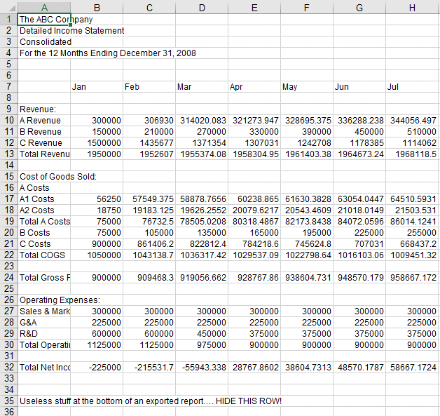
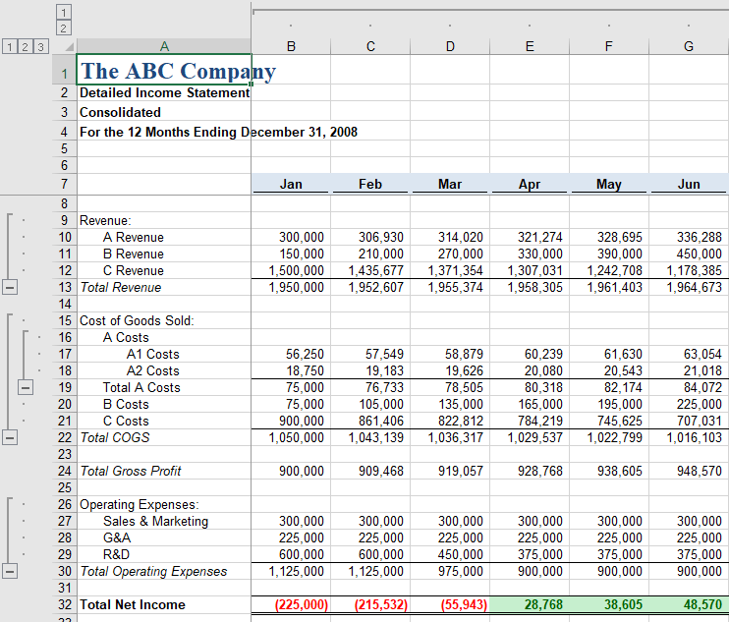
Before
After

TOC Gallery
True|False|3|Medium|Medium|True | Article/Video: | TOC Gallery Macro

 | Table of Contents

5 Uses for Macros
Data Tasks >>
Remove Duplicates

Delete Blank Rows
Pct Change Formula
Find Last Cell

Format Copier
Workbook Tasks >>
Table of Contents

TOC
Save Close Workbooks
Pivot Tables >>

Show Details
Data
Userforms >>

Data Input Form
Add-ins
Process Automation >>

Source

 | TOC Gallery

Save Close Workbooks

Article/Video: | Save and Close All Workbooks Macro

Show Details
Article/Video: | Show Details Macro | Automatic Default Number Formatting

Show Details for Used Fields Macro
Select a cell inside the pivot table, then click the button to run the macro.

Run the Show Details Macro

Category | Beverages

Region | Customer Name | Sum of Revenue | Sum of Quantity | Sum of Unit Price
East | Company J | $923.91 | 309 | $17.94
East Total |  | $923.91 | 309 | $17.94
North | Company A | $30,491.99 | 1,418 | $556.91
 | Company F | $10,178.00 | 727 | $140.00
 | Company G | $17,204.00 | 374 | $322.00
North Total |  | $57,873.99 | 2,519 | $1,018.91
South | Company BB | $27,508.00 | 598 | $598.00
 | Company K | $1,770.08 | 592 | $26.91
South Total |  | $29,278.08 | 1,190 | $624.91
West | Company AA | $882.00 | 63 | $28.00
 | Company C | $559.13 | 187 | $8.97
 | Company CC | $6,986.00 | 499 | $126.00
 | Company L | $14,074.00 | 435 | $192.00
West Total |  | $22,501.13 | 1,184 | $354.97
Grand Total |  | $110,577.11 | 5,202 | $2,016.73

Add-ins
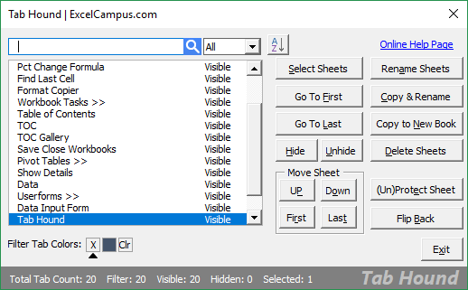

Tab Hound makes it easy to quickly find and navigate to sheets in large workbooks.
The add-in is packed with time saving features.

List Search allows us to quickly search in-cell drop-down lists (data validation lists).

Get the List Search Add-in

Get the Tab Hound Add-in

File Manager
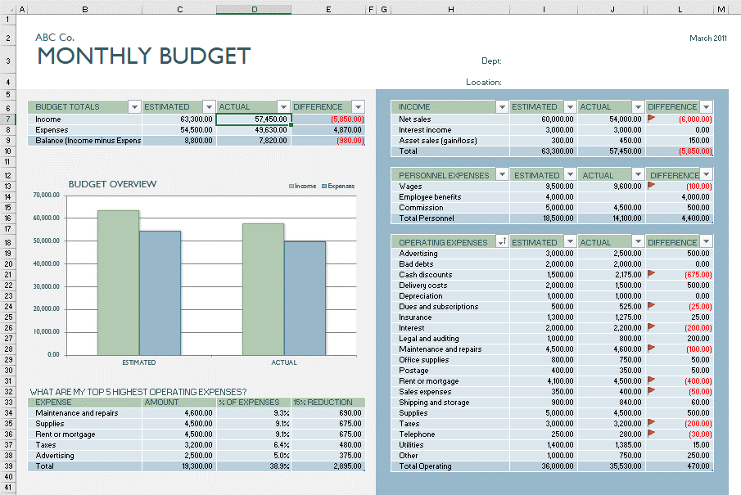
The File Manager Application

Excel Budget File Process

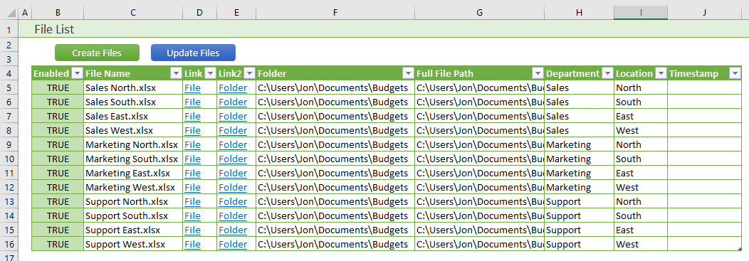
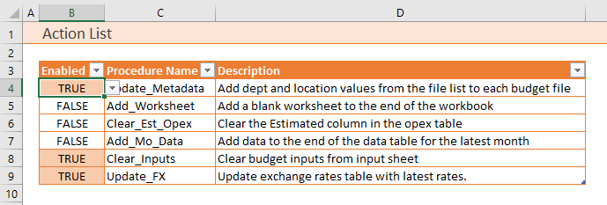
Run Multiple Macros
On Multiple Files

Video Overview of the File Manager Application

Source

For more macro & VBA tips go to
https://www.excelcampus.com/category/vba/

Checkout "The 7 Steps to Getting Started with Macros & VBA" webinar:
https://www.excelcampus.com/free-macros-webinar

Enroll in The VBA Pro Course
https://www.excelcampus.com/enroll/

